10Month
CPH Faculty Release Worksheet |  |  |  |  |  | Academic Year |  | 2020-2021

Faculty Member Name |  |  |  |  |  | Department

Project |  |  | Activity |  |  | Combo Code

Start Date |  | End Date |  |  |  | Academic Salary

Total Released Salary |  | 0 |  |  |  | Monthly Salary |  | 0
 |  |  |  |  |  |  |  |  |  |  | SALARY CAP : 149,475
20% to CPH | 0 |  |  |  | Salary Charged to Grant |  |  |  |  |  | If the grant's primary sponsor is NIH, CDC, HHS, HRSA, or NIJ, and the salary is over the Cap, please use the OTC calculator

Return to Department | 0 |  |  |  |  |  | OTC
 |  |  |  |  |  |  |  | *if applicable
Cells not highlighted will autopopulate
Original Budget |  | # of Months | 1st Fund. Change | # of Months | 2nd Fund. Change | # of Months | 3rd Fund. Change | # of Months | 4th Fund. Change | # of Months | 5th Fund. Change | # of Months | Total Months | 10 | Revised Budget
Accounts | % | 10 | % |  | % |  | % |  | % |  | % |  | Accounts
310X0RSH | 45.000% | 0.000 |  | 0.000 |  | 0.000 |  | 0.000 |  | 0.000 |  | 0.000 | 310X0RSH |  | 0.000
310X0INT | 50.000% | 0.000 |  | 0.000 |  | 0.000 |  | 0.000 |  | 0.000 |  | 0.000 | 310X0INT |  | 0.000
310X0SRV | 5.000% | 0.000 |  | 0.000 |  | 0.000 |  | 0.000 |  | 0.000 |  | 0.000 | 310X0SRV |  | 0.000
Project # |  | 0.000 |  | 0.000 |  | 0.000 |  | 0.000 |  | 0.000 |  | 0.000 | Project # |  | 0.000
 |  | 0.000 |  | 0.000 |  | 0.000 |  | 0.000 |  | 0.000 |  | 0.000 | 0 |  | 0.000
 |  | 0.000 |  | 0.000 |  | 0.000 |  | 0.000 |  | 0.000 |  | 0.000 | 0 |  | 0.000
 |  | 0.000 |  | 0.000 |  | 0.000 |  | 0.000 |  | 0.000 |  | 0.000 | 0 |  | 0.000
 |  | 0.000 |  | 0.000 |  | 0.000 |  | 0.000 |  | 0.000 |  | 0.000 | 0 |  | 0.000
 |  | 0.000 |  | 0.000 |  | 0.000 |  | 0.000 |  | 0.000 |  | 0.000 | 0 |  | 0.000
 |  | 0.000 |  | 0.000 |  | 0.000 |  | 0.000 |  | 0.000 |  | 0.000 | 0 |  | 0.000
 |  | 0.000 |  | 0.000 |  | 0.000 |  | 0.000 |  | 0.000 |  | 0.000 | 0 |  | 0.000
 |  | 0.000 |  | 0.000 |  | 0.000 |  | 0.00 |  | 0.000 |  | 0.000 | 0 |  | 0.000
Effective Dates : | Original Budget
Monthly Salary |  | 0.00 |  | 0.00 |  | 0.00 |  | 0.00 |  | 0.00 |  | 0.00 | Annual Salary |  | 0
CPH Policy on academic instructional release requires that all faculty must teach at least
one class per academic year.
Instuctional Releases: CPH will retain 20% of released funds, the balance of the remaining
80% will be returned to the department after replacement instructor has been paid.
 |  |  |  |  |  |  | Release From : |  |  |  | If Instruction, what course(s) is/are the faculty member being released from?
 |  |  |  |  |  |  | Instruction
 |  |  |  |  |  |  | Research
 |  |  |  |  |  |  | Service |  |  |  | How will course be covered/replaced?
 |  |  |  |  |  |  | Administration
Faculty Member Signature:

Department Head Signature: |  |  |  |  |  |  | 12.5% of Salary |  | 0 |  | Cost of replacement instructor:

CPH Post-Award Lead Signature: |  |  |  |  |  |  | Associate Dean for Academic Affairs Signature :

Associate Dean for Research Signature:

12 Month
CPH Faculty Release Worksheet |  |  |  |  |  | Academic Year

Faculty Member Name |  |  |  |  |  | Department

Project |  |  | Activity |  |  | Combo Code

Start Date |  | End Date |  |  |  | Calendar Salary

Total Released Salary |  | 0 |  |  |  | Monthly Salary |  | 0 |  |  | SALARY CAP : 199,300
 |  |  |  |  |  |  |  |  |  |  | If the grant's primary sponsor is NIH, CDC, HHS, HRSA, or NIJ, and the salary is over the Cap, please use the OTC calculator
20% to CPH | 0 |  |  |  | Salary Charged to Grant

Return to Department | 0 |  |  |  |  |  | OTC
 |  |  |  |  |  |  |  | *if applicable
Cells not highlighted will autopopulate
Original Budget |  | # of Months | 1st Fund. Change | # of Months | 2nd Fund. Change | # of Months | 3rd Fund. Change | # of Months | 4th Fund. Change | # of Months | 5th Fund. Change | # of Months | Total Months | 12 | Revised Budget
Accounts | % | 12 | % |  | % |  | % |  | % |  | % |  | Accounts
310XRSH | 45.000% | 0.000 |  | 0.000 |  | 0.000 |  | 0.000 |  | 0.000 |  | 0.000 | 310XRSH |  | 0.000
310XINT | 50.000% | 0.000 |  | 0.000 |  | 0.000 |  | 0.000 |  | 0.000 |  | 0.000 | 310XINT |  | 0.000
310XSRV | 5.000% | 0.000 |  | 0.000 |  | 0.000 |  | 0.000 |  | 0.000 |  | 0.000 | 310XSRV |  | 0.000
 |  | 0.000 |  | 0.000 |  | 0.000 |  | 0.000 |  | 0.000 |  | 0.000 | 0 |  | 0.000
 |  | 0.000 |  | 0.000 |  | 0.000 |  | 0.000 |  | 0.000 |  | 0.000 | 0 |  | 0.000
 |  | 0.000 |  | 0.000 |  | 0.000 |  | 0.000 |  | 0.000 |  | 0.000 | 0 |  | 0.000
 |  | 0.000 |  | 0.000 |  | 0.000 |  | 0.000 |  | 0.000 |  | 0.000 | 0 |  | 0.000
 |  | 0.000 |  | 0.000 |  | 0.000 |  | 0.000 |  | 0.000 |  | 0.000 | 0 |  | 0.000
 |  | 0.000 |  | 0.000 |  | 0.000 |  | 0.000 |  | 0.000 |  | 0.000 | 0 |  | 0.000
 |  | 0.000 |  | 0.000 |  | 0.000 |  | 0.000 |  | 0.000 |  | 0.000 | 0 |  | 0.000
 |  | 0.000 |  | 0.000 |  | 0.000 |  | 0.000 |  | 0.000 |  | 0.000 | 0 |  | 0.000
 |  | 0.000 |  | 0.000 |  | 0.000 |  | 0.00 |  | 0.000 |  | 0.000 | 0 |  | 0.000
Effective Dates : | Original Budget
Monthly Salary |  | 0.00 |  | 0.00 |  | 0.00 |  | 0.00 |  | 0.00 |  | 0.00 | Annual Salary |  | 0
CPH Policy on academic instructional release requires that all faculty must teach at
least one class per academic year.
Instuctional Releases: CPH will retain 20% of released funds, the balance of the
remaining 80% will be returned to the department after replacement instructor has been
paid.
 |  |  |  |  |  |  | Release From : |  |  |  | If Instruction, what course(s) is/are the faculty member being released from?
 |  |  |  |  |  |  | Instruction
 |  |  |  |  |  |  | Research
 |  |  |  |  |  |  | Service |  |  |  | How will course be covered/replaced?
 |  |  |  |  |  |  | Administration

Faculty Member Signature: |  |  |  |  |  |  |  |  |  |  | Cost of replacement instructor:
 |  |  |  |  |  |  | 12.5% of Salary |  | 0

Department Head Signature:
 |  |  |  |  |  |  | Associate Dean for Academic Affairs Signature :
CPH Post-Award Lead Signature:

Associate Dean for Research Signature:

Instructions
Part 1 | Determine whether to use 10 month or 12 month tab based on how faculty member is paid.

Part 2 | Enter the correct informaton into the yellow cells.
a | Enter Faculty member name
b | Enter Department Name
c | Enter Project number
d | Enter Activity number
e | Enter Combo code
f | Enter project start date for budget period
g | Enter project end date for budget period
h | Enter annual salary for faculty member
 | The monthly salary will populate in blue, below annual salary.
i | Enter salary amount that needs to be charged to the grant -must be the amount included in grant budget.
 | The cells on the right will auto populate the return amounts.
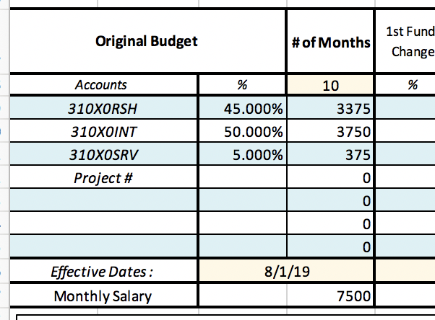
j | If OTC applies, enter OTC amount, see part 6
 | Leave OTC amount blank if faculty member is not over the cap or if sponsor does not require OTC.

Part 3 | Use table below to show how faculty member is budgeted for the year.
a | Enter Department ID numbers that faculty member is paid in original budget
b | Enter each account's percentage to match how faculty member is originally budgeted for the beginning of the fiscal year. (round to 3 decimal places)

 | The pay amount will auto populate into the cells to right of each percentage.
c | Effective state should be 8/1/XX for 10 month faculty and 7/1/XX for 12 month faculty
d | The monthly salary will auto populate as the percentages are entered and should match the blue monthly salary part 2.

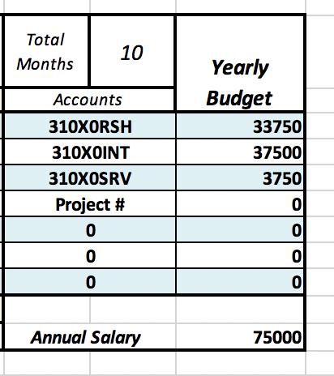
e | The totals will auto populate into the totals table. This should match the original budget for the faculty member's annual salary until other funding sources are added.

Part 4 | Use the table to plan funding changes that will be submitted in OneUSG Connect to show how faculty member will be paid by the grant and other accounts. Show entire payroll history for the fiscal year.

a | Enter project number in table below the Department IDs for the state Account.
b | In "1st Funding Change" column, enter the percentages for each account to show how the faculty's salary will be distributed on the first funding change. The percentages should equal 100% and the monthly salary should match the original budget column.

c | Enter the effective date for the funding change.
d | Under "# of months" enter the number of months the faculty member will need to be paid this percentage.
c | Change the 10 to reflect the new number the faculty member is paid in first original budget column.
 | * The number of months across the table should always equal 10 for 10m and 12 for 12m. The number in the totals table will be red if the number of months is incorrect.
d | If faculty member needs to be returned to the original budget, repeat steps to show second funding change.
e | If OTC applies, add additional row in the table for OTC and repeat steps.
f | The budget totals for each account will auto populate in once all funding changes are entered. The "Yearly Budget" Amount for the project number should match the cell for Salary Charged to Grant in part 2 .

Part 5 | Under the funding change table, specify the category (instruction, research, service or administration) in which the faculty member's salary is being released.
a | Enter amounts in yellow cells for each state accounts (instruction, research, service, or administration)

 | The total should be reflected by the funding changes and match the totals table
b | Enter Course(s) & semester if faculty member is buying out of teaching a class. Faculty release should occur in the same semester.

c | Provide information on how course will be covered/replaced in yellow cell

Part 6 | How to calculate OTC
a | When the faculty member's annual salary and the salary charged to the grant are entered on the buyout tab, the OTC amount will automatically calculate
 | on the OTC tab. You will go to the tab to find the OTC amount and then enter the amount back on the buyout tab.
 | This amount will appear as a negative number on the OTC calculator tab, however you will enter this number as a positive number on the buyout worksheet.

